SLIDING SCALE
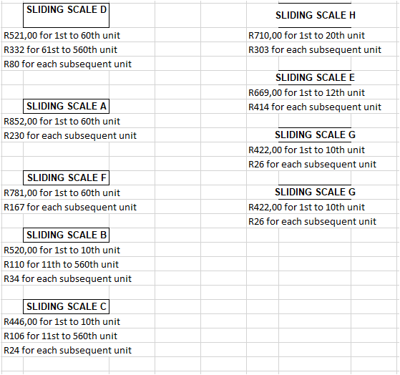
 | SLIDING SCALE D |  | SLIDING SCALE H
R521,00 for 1st to 60th unit |  | R710,00 for 1st to 20th unit
R332 for 61st to 560th unit |  | R303 for each subsequent unit
R80 for each subsequent unit
 |  |  | SLIDING SCALE E
 |  | R669,00 for 1st to 12th unit
 | SLIDING SCALE A | R414 for each subsequent unit
R852,00 for 1st to 60th unit
R230 for each subsequent unit |  |  | SLIDING SCALE G
 |  | R422,00 for 1st to 10th unit
 |  | R26 for each subsequent unit
 | SLIDING SCALE F
R781,00 for 1st to 60th unit |  |  | SLIDING SCALE G
R167 for each subsequent unit |  | R422,00 for 1st to 10th unit
 |  | R26 for each subsequent unit
 | SLIDING SCALE B
R520,00 for 1st to 10th unit
R110 for 11th to 560th unit
R34 for each subsequent unit

 | SLIDING SCALE C
R446,00 for 1st to 10th unit
R106 for 11st to 560th unit
R24 for each subsequent unit

